Testing
PDF to TXT Extraction - Testing

Integration Testing (PDF scenarios)
UI Testing
Edge Cases
Missing / Empty / Encoding Issue Files

Manual
Manual
Automated
Manual
Automated
Automated
Normal PDF (Direct)
In script
Generate empty txt/missing numbers
In script
Verify Runs,View Result & log
Verify App launch
In Different Lang (Alphabets)
Password Protected
In script
Scanned PDF (OCR)
Verify File,Edit,View & Window
Verify Upload a PDF File
Empty PDF
Very large PDF

Verify Upload Folder
Verify Start Processing
Mixed PDF

In one script

Integration
Integration Testing
Home

Integration Testing
Test cases
Test cases

Normal PDF (Direct)
Normal PDF (text-based) | Expect: no OCR triggered
 | Validate: Extraction works
Scanned PDF (OCR)
Scanned PDF | Expect: OCR triggered
 | Validate : Text is extracted via OCR

Normal PDF (Direct)
Normal PDF (Direct)
Integration Testing
Home
 |  |  | **
 |  |  | Expect: no OCR triggered |  |  |  |  | Metrics |  |  |  | Pass | High
 |  |  | Validate: Extraction works |  |  |  | Scores |  |  | Quality |  | Fail | Medium
 |  |  |  |  |  |  | Pass % | 100% | 👍 | High | ⭐⭐⭐ |  | Low
 |  |  |  |  |  |  | Fail % | 0%

Test cases

Plain Text
S.No. | Scenario | Comments |  | Pass/Fail |  | Quality |  | Processing Settings ** Turned on (only)
 | Plain Text
1 |  |  | in languages like ENG, DEU, SPANISH |  | Pass | High |  | Successful
Tables
2 | Tables |  | Tables flattened , Numers/Date entirely omitted |  | Pass | High |  | Successful
Special Characters/Symbols
Hyperlnk+Colord+Watrmrk
3 |  |  | Omitted, However characters used In Languages are intact |  | Pass | High |  | Successful
 |  |  | For eg. ä ö ü Ä Ö Ü ß
4 |  |  | Slihtly missed words -one hyperlink missed |  | Pass | Medium |  | Successful

Charts + Text Style
5 |  |  | X,Y axis texts extracted |  | Pass | Medium |  | Successful

Plain Text
Plain Text
Normal PDF (Direct)

ENG Results
DEU Results
SPA Results

Real Image
Ground Truth
Actual Results
 |  | Ground Truth

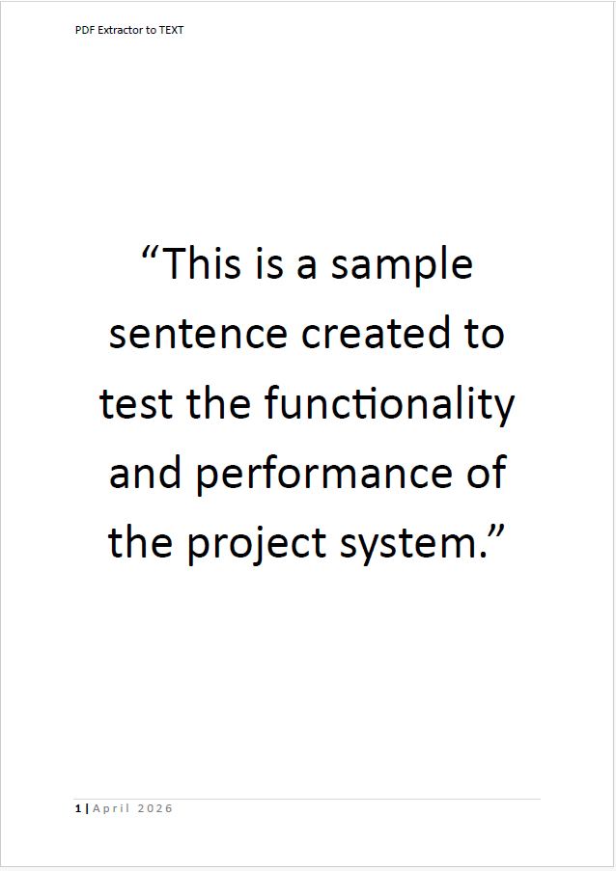 | This is a sample sentence created to test the functionality and performance of the project system. This is a sample sentence created to test the functionality and performance of the project system. This is a sample sentence created to test the functionality and performance of the project system. |  | This is a sample sentence created to test the functionality and performance of the project system. This is a sample sentence created to test the functionality and performance of the project system. This is a sample sentence created to test the functionality and performance of the project system.

ENG Results
DEU Results
SPA Results

Real Image
Ground Truth
Actual Results

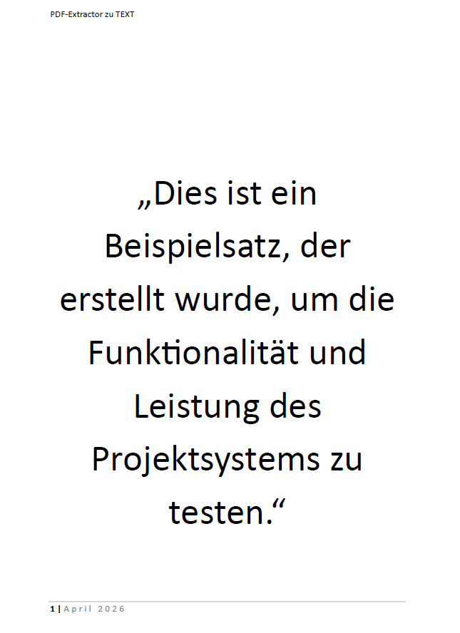 | Dies ist ein Beispielsatz, der erstellt wurde, um die Funktionalität und Leistung des Projektsystems zu testen. Dies ist ein Beispielsatz, der erstellt wurde, um die Funktionalität und Leistung des Projektsystems zu testen. Dies ist ein Beispielsatz, der erstellt wurde, um die Funktionalität und Leistung des Projektsystems zu testen. |  | Dies ist ein Beispielsatz, der erstellt wurde, um die Funktionalität und Leistung des Projektsystems zu testen. Dies ist ein Beispielsatz, der erstellt wurde, um die Funktionalität und Leistung des Projektsystems zu testen. Dies ist ein Beispielsatz, der erstellt wurde, um die Funktionalität und Leistung des Projektsystems zu testen.

ENG Results
DEU Results
SPA Results

Real Image
Ground Truth
Actual Results

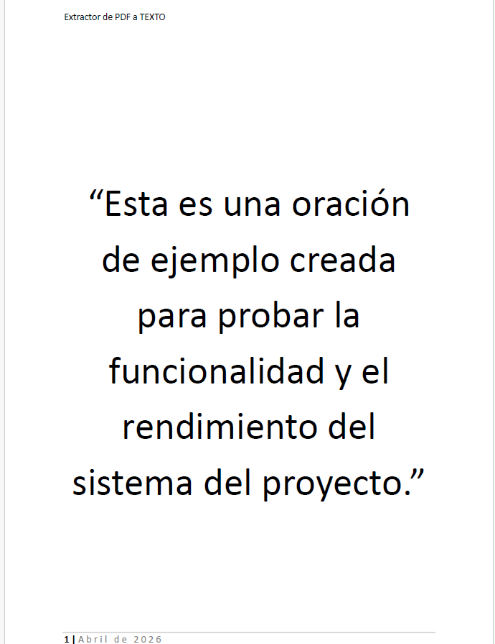 | Esta es una oraci n de ejemplo creada para probar la funcionalidad y el rendimiento del sistema del proyecto. Esta es una oraci n de ejemplo creada para probar la funcionalidad y el rendimiento del sistema del proyecto. Esta es una oraci n de ejemplo creada para probar la funcionalidad y el rendimiento del sistema del proyecto. |  | Esta es una oraci n de ejemplo creada para probar la funcionalidad y el rendimiento del sistema del proyecto. Esta es una oraci n de ejemplo creada para probar la funcionalidad y el rendimiento del sistema del proyecto. Esta es una oraci n de ejemplo creada para probar la funcionalidad y el rendimiento del sistema del proyecto.

Tables
Tables
Normal PDF (Direct)

Real Image
Ground Truth
Actual Results

Employee Department Salary ( ) Start Date John Doe Finance Anna Weiß HR L a Martin Marketing Max Müller IT Sophie Klein Legal | Employee Department Salary ( ) Start Date John Doe Finance Anna Weiß HR L a Martin Marketing Max Müller IT Sophie Klein Legal

Special Ch
Special Characters
Normal PDF (Direct)

Real Image
Ground Truth
Actual Results

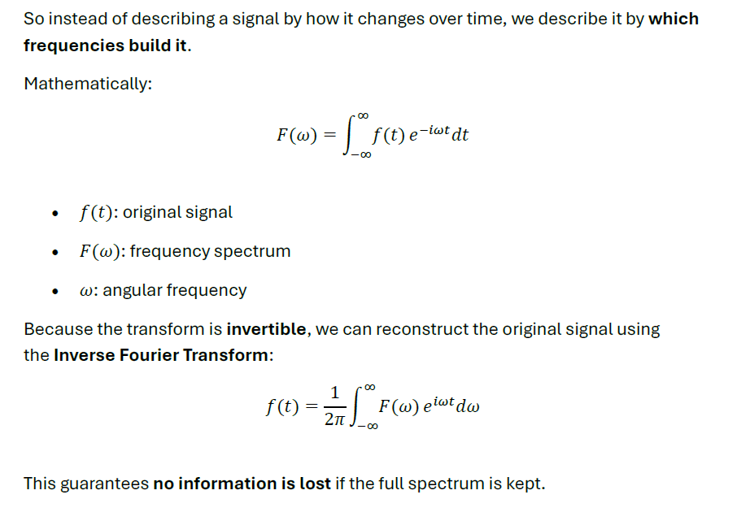
So instead of describing a signal by how it changes over time, we describe it by which frequencies build it. Mathematically: () ()(): original signal (): : angular frequency Because the transform is invertible, we can reconstruct the original signal using the Inverse Fourier Transform: ()()This guarantees no information is lost if the full spectrum is kept.

Hyperlnk+Colord+Watrmrk
Hyperlnk+Colord+Watrmrk
Normal PDF (Direct)

Real Image
Ground Truth
Actual Results


Marburg University - Wikipedia Founding years T he university initially used the former monastic buildings of the Dominicans, Franciscans, and Brethren of the Common Life.[][] Landgrave Philip granted it privileges such as the right to send a representative to the regional assembly and exemptions from tolls and levies for university members.[] On July the landgravial chancellor Johann Feige formally inaugurated the university, which had been founded by Landgrave Philip I by decree on May. At that time, it had eleven professors and students.[] The first rector was Johannes Eisermann, known as Ferrarius Montanus, a professor of law and assessor at the landgravial court in Amöneburg.[] The same year, he granted the university the necessary academic freedoms. On October the university gained financial independence through the deed of endowment. The following year, the Landgrave received the university privilege from Emperor Charles V during the Imperial Diet in Regensburg.[] th and th century Until his death in Johann Friedrich Dryander held the chair of medicine at Marburg University. On November Landgrave William IV of Hesse Kassel appointed Georg Marius as professor, without the university s formal consent. A second medical chair was added in filled by Victorinus Schönfeldt, who was already serving as professor of mathematics. | Founding years T he university initially used the former monastic buildings of the Dominicans, Franciscans, and Brethren of the Common Life.[][] Landgrave Philip granted it privileges such as the right to send a representative to the regional assembly and exemptions from tolls and levies for university members.[] On July the landgravial chancellor Johann Feige formally inaugurated the university, which had been founded by Landgrave Philip I by decree on May. At that time, it had eleven professors and students.[] The first rector was Johannes Eisermann, known as Ferrarius Montanus, a professor of law and assessor at the landgravial court in Amöneburg.[] The same year, he granted the university the necessary academic freedoms. On October the university gained financial independence through the deed of endowment. The following year, the Landgrave received the university privilege from Emperor Charles V during the Imperial Diet in Regensburg.[] th and th century Until his death in Johann Friedrich Dryander held the chair of medicine at Marburg University. On November Landgrave William IV of Hesse Kassel appointed Georg Marius as professor, without the university s formal consent. A second medical chair was added in filled by Victorinus Schönfeldt, who was already serving as professor of mathematics.

Charts + Text Style
Charts + Text Style
Normal PDF (Direct)

Real Image
Ground Truth
Actual Results
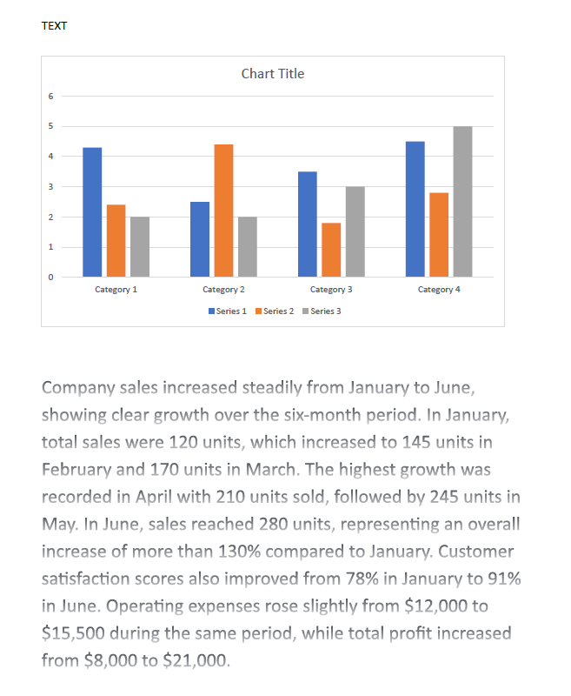
Company sales increased steadily from January to June, showing clear growth over the six month period. In January, total sales were units, which increased to units in February and units in March. The highest growth was recorded in April with units sold, followed by units in May. In June, sales reached units, representing an overall increase of more than compared to January. Customer satisfaction scores also improved from in January to in June. Operating expenses rose slightly from to during the same period, while total profit increased from to | Company sales increased steadily from January to June, showing clear growth over the six month period. In January, total sales were units, which increased to units in February and units in March. The highest growth was recorded in April with units sold, followed by units in May. In June, sales reached units, representing an overall increase of more than compared to January. Customer satisfaction scores also improved from in January to in June. Operating expenses rose slightly from to during the same period, while total profit increased from to Category Category Category Category Series Series Series

Scanned PDF (OCR)
Scanned PDF (OCR)
Integration Testing
Home
 |  |  | Expect: OCR triggered |  |  |  |  |  |  |  |  | Pass | High
 |  |  | Validate : Text is extracted via OCR |  |  |  |  |  |  |  |  | Fail | Medium
 |  |  |  |  |  |  |  | Metrics |  |  |  |  | Low
 |  |  |  |  |  |  | Scores |  |  | Quality
 |  |  |  |  |  |  | Pass % | 100% | 👍 | High | ⭐⭐⭐
 |  |  |  |  |  |  | Fail % | 0%
Test cases

Handwritten Image
S.No. | Scenario | Comments |  | Pass/Fail |  | Quality | Processing Settings ** Turned on (only)
 | Plain Text
1 |  |  | - |  | Pass | High | Successful
Text over Image
2 | Tables |  | some noise observed |  | Pass | Medium | Successful
Scanned Masked+Colored
3 |  |  | slight noise |  | Pass | High | Successful

Handwritten Image
Handwritten Image
Scanned PDF (OCR)

Real Image
Ground Truth
Actual Results

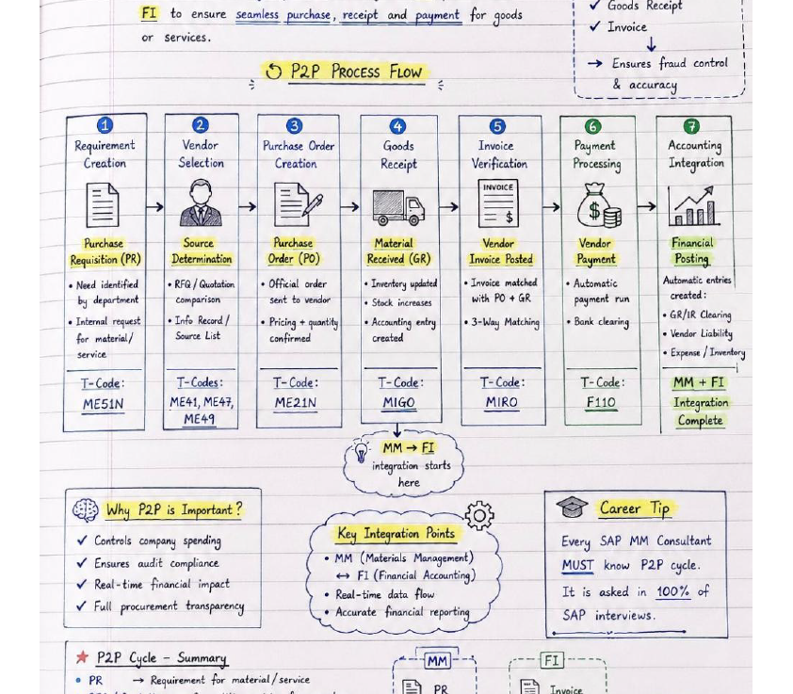
FI to ensure seamless purchase, receipt and payment for goods or services. Goods Receipt Invoice Ensures fraud control and accuracy P2P Process Flow Requirement Creation Purchase Requisition (PR) Need Identified by department Internal requesz for material/service T-Code: MEN Vendor Selection Source Determination RFQ Quotation Comparision Info Record/Source List T-Codes: ME,ME,ME | FI to ensure seamless purchase, receipt and payment for goods tS Peer Beer . ae, V Invoice or services. L ; ; o PP Process Flow Ensures fraud control U accurac ! Maan u were () [] Requirement Vendor Purchase Order Goods Invoice Payment Accounting Creation Selection Creation Receipt Verification Processing Integration I N ah Ai Purchase Source Purchase Material Vendor Vendor Financial Requisition (PR) Determination Order (PO) Received (GR) Invoice Posted Payment Posting Need identified RFQ Quotation Official order Inventory updated] Invoice matched Automatic Automatic entries by department comparison sent to vendor Sek Wire with PO GR payment run created : Internal request Info Record Pricing quanti Accounting entry Way Matchi Peete ee GR IR Clearing for material a ü u sai Os Veit Loki service Expense Inventory n nee nn [ a et ea T Code: T Codes: T Code: T Code: T Code : T Code: MM FI MEN ME ME?, MEN MIGO MIRO F Integration ie ME Pert Complete a D MM FI integration starts here Why PP is Important ? gb eS Career Tip V Controls company spending eee hen Every SAP MM Consultant V Ensures audit ance MM (Materials Management) ng wer FI (France Aecotig) MUST know PP cycle. Real time data flow It is asked in of er Accurate financial reporting SAP interviews. PP Cycle Summary m fl PR Requirement for material service I ' oo, ; ! RFQ Quotation Competitive pricing from vendors PR i ! Invoice i

Text Over Image
Text over Image
Scanned PDF (OCR)

Real Image
Ground Truth
Actual Results


Sommer: Die Sonne scheint und die Blütensaisön | Sommer: Die Sonne scheint und die Blütensaisön , ce U N Fi je! v Se tia. mer) N sw

Scanned Masked+Colored
Scanned Masked + Colored
Scanned PDF (OCR)

Real Image
Ground Truth
Actual Results

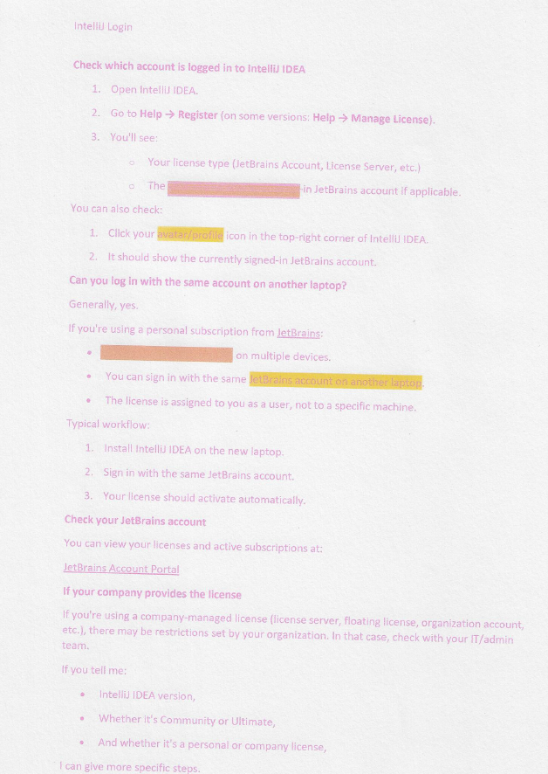
IntelliJ Login Check which account is logged in to IntelliJ IDEA Open Intelli) IDEA. Go to Help Register (on some versions: Help Manage License). You'll see: Your license type (JetBrains Account, License Server, etc.) The Sees JetBrains account if applicable. You can also check: Click your avatar profie icon in the top right corner of Intellil IDEA. It should show the currently signed in JetBrains account. Can you log in with the same account on another laptop? Generally, yes. If you're using a personal subscription from JetBrains: on multiple devices. You can sign in with the same JetBrains account of another laptop. The license is assigned to you as a user, not to a specific machine. Typical workflow: Install IntelliJ IDEA on the new laptop, Sign in with the same JetBrains account. Your license should activate automatically. Check your JetBrains account : You can view your licenses and active subscriptions at: JetBrains Account Portal If your company provides the license If you're using a company managed license (license server, floating license, organization account, etc.), there may be restrictions set by your organization. in that case, check with your IT admin team. If you tell me: IntelliJ IDEA version, Whether it's Community or Ultimate, . And whether it's a personal or company license, can give more specific steps. | IntelliJ Login ks Check which account is logged in to IntelliJ IDEA Open Intelli) IDEA. Go to Help Register (on some versions: Help Manage License). You'll see: Your license type (JetBrains Account, License Server, etc.) o The Sees JetBrains account if applicable. You can also check: Click your avatar profie icon in the top right corner of Intellil IDEA. It should show the currently signed in JetBrains account. Can you log in with the same account on another laptop? Generally, yes. If you're using a personal subscription from JetBrains: : ! ees on multiple devices. : You can sign in with the same JetBrains account of another laptop. e The license is assigned to you as a user, not to a specific machine. Typical workflow: : : Install IntelliJ IDEA on the new laptop, Sign in with the same JetBrains account. Your license should activate automatically. Check your JetBrains account : You can view your licenses and active subscriptions at: JetBrains Account Portal If your company provides the license If you're using a company managed license (license server, floating license, organization account, etc.), there may be restrictions set by your organization. in that case, check with your IT admin team. If you tell me: IntelliJ IDEA version, Whether it's Community or Ultimate, . And whether it's a personal or company license, can give more specific steps.

Edge Cases
Edge cases Summary
Home

Integration Testing
Test cases
Test cases

Password Protected
Normal PDF (text-based) | Expect: no OCR triggered
 | Validate: Extraction works
Very Large PDF
Scanned PDF | Validate : No memory crash
 | Worker scaling behaves correctly

Mixed PDF
 | Some pages text, some images
 | Validate : Page-level fallback works

Different Lang (Korean)

Empty PDF

Edge cases Summary
Edge Cases Summary
Edge Cases
Home
 |  |  |  |  |  |  |  | Metrics |  |  |  | Pass | Yes
 |  |  |  |  |  |  | Scores |  |  | Quality |  | Fail | No
 |  |  |  |  |  |  | Pass % | 80% | 😊 | Yes | ⭐⭐⭐ |  | Needs improvement
 |  |  |  |  |  |  | Fail % | 20%

Test cases

Password Protected
S.No. | Scenario | Comments |  | Pass/Fail |  | Test Acceptance
 | Plain Text
1 |  |  | System not designed to break password protected files |  | Fail | Needs improvement
Very Large PDF size
2 | Tables |  | A file size of 50 MB, system succesfully ran |  | Pass | Yes
Mixed PDF
Different Language
3 |  |  | System was able to extract text, page level fallbacks works, noise included |  | Pass | Yes
 |  |  | Slight noise observed
4 |  |  | Alphabets are entirely different than ENG |  | Pass | Needs improvement

Empty PDF
5 |  |  | System accepted the empty pdf file, gave blank output |  | Pass | Yes

Mixed PDF
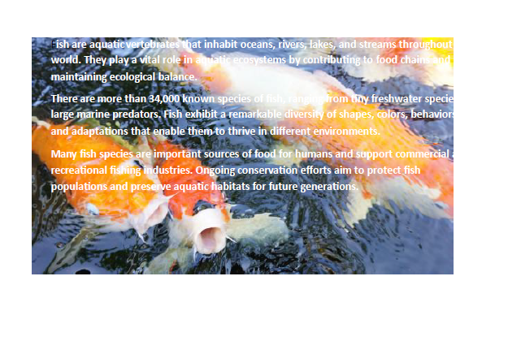
Mixed PDF
Edge Cases Summary

Real Image
Ground Truth
Actual Results

JOHN SMITH M.Sc. Science john.smith eyample.edu www.johnsmith portfolio.com, linkedin.com in john Smith University of Example Faculty of Engineering Frankfurt, Germany This document demonstrates the placement of formatted text over an image in Microsoft Word. The layout includes contact information, hyperlinks, and standard paragraph text to illustrate how different content types can be integrated within a single visual design. The purpose of this example is to evaluate readability, text positioning, and formatting options when combining images and text. By adjusting font size, color, transparency, and alignment, users can create professional looking posters, reports, certificates, or presentation materials. Additional information can be included as needed, such as project descriptions, references, captions, or explanatory notes. Hyperlinks remain functional and can direct readers to websites, online resources, or supporting documentation. Fish are aquatic vertebrates that inhabit oceans, rivers, lakes, and streams throughout the world. They play a vital role in aquatic ecosystems by contributing to food chains and maintaining ecological balance. There are more than 34,000 known species of fish, ranging from tiny freshwater species to large marine predators. Fish exhibit a remarkable diversity of shapes, colors, behaviors, and adaptations that enable them to thrive in different environments. Many fish species are important sources of food for humans and support commercial and recreational fishing industries. Ongoing conservation efforts aim to protect fish populations and preserve aquatic habitats for future generations. | wo JOHN SMITH oi Science wy M john.smith eyample.edu www.johnsmith portfolio.com en, linkedin.com in johifisna itis N an University of Exampl Faculty of Engineering Frankfurt, Germany This document demonstrates the placement of formatted text over an image in Microsoft Word. The layout includes contact information, hyperlinks, and standard paragraph text to illustrate how different content types can be integrated within a single visual design. The purpose of this example is to evaluate readability, text positioning, and formatting options when combining images and text. By adjusting font size, color, transparency, and alignment, users can create professional looking posters, reports, certificates, or presentation materials. Additional information can be included as needed, such as project descriptions, references, captions, or explanatory notes. Hyperlinks remain functional and can direct readers to websites, online resources, or supporting documentation.ish are aquatic verte brat hat inhabit oceans, riversz a Kes, i ms U world. They play vitaliggle it em ntributingwte food chai maintaining ecological bala ce Thereare.more than Knownspe im Bir, freshwater specie large marine predators. Fish exhibit a rema örs, behavior. . . and dapfätions that enable them tö thrive in differen Fen viro NS Many pecies are important sources of food,f fihtimans and Ü Ircia recreational S dustries. Ongoing Conservation efforts aim top tect So " , Pen populatior sangliptess eaquatichabitats for future generatio N F " . .

Different Language
Different Language
Edge Cases

Real Image
Ground Truth
Actual Results

“이것은 프로젝트 시스템의 기능과 성능을 테스트하기 위해 만든 예문입니다.” "Igeoseun peurojekteu siseutemui gineunggwa seongneungeul teseuteuhagi wihae mandeun yemunimnida." “이것은 프로젝트 시스템의 기능과 성능을 테스트하기 위해 만든 예문입니다.” “이것은 프로젝트 시스템의 기능과 성능을 테스트하기 위해 만든 예문입니다.” | . "Igeoseun peurojekteu siseutemui gineunggwa seongneungeul teseuteuhagi wihae mandeun yemunimnida." . .

UI Testing
UI Testing
Home

Integration Testing
Test cases
Test cases

Manual Test Cases
Normal PDF (text-based)

Automated Test cases
Scanned PDF

Manual Test Cases
Manual Test Cases
UI testing
Home
 |  |  |  |  |  |  |  | Completed
 |  |  |  |  |  |  |  | Pending
 |  |  |  |  | Test cases summary
 |  |  |  |  | 10
 |  |  |  |  | Completed | 9
 |  |  |  |  | Pending | 1
Test Suite: PDF TextExtract Application

Verify Import Multiple PDFs
S.No. | Tests | Test Scenario | Preconditions | Steps |  | Expected Results | Status
 | Plain Text
1 |  | Upload multiple PDFs from folder | Folder contains PDFs | 1. Click "Import Folder" |  | All PDFs are loaded into processing queue | Completed
Verify Start Processing
 |  |  |  | 2. Select folder
2 | Tables | Start OCR/Text Extraction | PDF uploaded | 1. Upload PDF |  | Progress bar starts updating and extraction begins | Completed
Verify Progress Bar Updates
 |  |  |  | 2. Click Start button
3 |  | Validate processing progress | Large PDF loaded | 1. Start extraction |  | Progress bar updates from 0% to 100% correctly | Completed
Verify Export Functionality
4 |  | Export extracted text | Extraction completed | 1. Click Export |  | Output file is downloaded/saved successfully | Completed
Verify Activity Log Entries
5 |  | Check activity logging | Processing running | 1. Process PDF |  | Log entries are generated with timestamps and status messages | Completed

Verify Search Extracted Text
6 |  | Search extracted content | Text extracted | 1. Enter keyword in search box |  | Matching text records are displayed | Pending

Large PDF Performance Test
Verify Dark Mode Toggle
7 |  | Many PDFs (500+ PDF's) | PDF's available | 1. Upload large PDF folder |  | Application remains responsive and completes successfully | Completed
 |  |  |  | 2. Start extraction
8 |  | Switch UI theme | Application running | Click theme toggle icon |  | Theme changes without affecting functionality | Completed

Verify Navigation Menu
9 |  | Verify sidebar navigation | Application running | Click Dashboard, Runs, Files, Search, Settings |  | Correct page opens each time | Completed

Verify Remove Header,Footer,Page numbers, Numeric Values, Lemmatization Option
10 |  | Remove Header, Footer, Page Numbers, Numeric Values | PDF contains headers, footer, Page numbers, numeric values | Enabled Options |  | Header, Footer, Page numbers, Numeric Values are removed | Completed
 |  | Convert words to base form | PDF contains words like "running", "studies" | Enabled Options |  | Words are converted to base forms ("run", "study")

Automated Test Cases
Automated Test Cases
UI testing
Home
 |  |  |  |  |  |  |  | Completed
 |  |  |  |  |  |  |  | Pending
 |  |  |  |  | Test cases summary
 |  |  |  |  | 3
 |  |  |  |  | Completed | 3
 |  |  |  |  | Pending | 0
Test Suite: PDF TextExtract Application

Verify Application Launch
S.No. | Tests | Test Scenario | Preconditions | Steps |  | Expected Results | Status
 | Plain Text
1 |  | Verify application launches successfully | Application installed | Double-click on .exe file |  | Application opens without errors and Dashboard screen is displayed | Completed
Verify Import PDF File
Verify Start Processing
2 | Tables | Upload a valid PDF file | Valid PDF available | 1. Click "Import File" |  | PDF is added to processing queue and displayed in dashboard | Completed
 |  |  |  | 2. Select valid PDF & click Open
3 |  | Start OCR/Text Extraction | PDF uploaded | 1. Upload PDF |  | Progress bar starts updating and extraction begins | Completed
 |  |  |  | 2. Click Start button

